minim
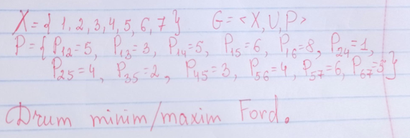
 |  |  |  | I dif | II dif
 |  | (Xi, Xj) | Pij | Hj - Hi | Hj - Hi
H1 | 0 | (x1,x2) | 5 | inf - 0 = inf > 5 | 5 - 0 = 5 = 5
H2 | inf/5 | (x1,x3) | 3 | inf - 0 = inf > 3 | 3 - 0 = 3 = 3
H3 | inf/3 | (x1,x4) | 5 | inf - 0 = inf > 5 | 5 - 0 = 5 = 5
H4 | inf/5 | (x1,x5) | 6 | inf - 0 = inf > 6 | 6 - 0 = 6 = 6
H5 | inf/6/5 | (x1,x6) | 8 | inf - 0 = inf > 8 | 8 - 0 = 8 = 8 | Drum minim
H6 | inf/8 | (x2,x4) | 1 | 5 - 5 = 0 < 1 | 5 - 5 = 0 < 1
H7 | inf/11 | (x2,x5) | 4 | 6 - 5 = 1 < 4 | 5 - 5 = 0 < 4 | 7 <- 5 <- 3 <- 1
 |  | (x3,x5) | 2 | 6 - 3 = 3 > 2; H5 = 3 + 2 = 5 | 5 - 3 = 2 = 2
 |  | (x4,x5) | 3 | 5 - 5 = 0 < 3 | 5 - 5 = 0 < 3
 |  | (x5,x6) | 4 | 5 - 8 = -3 < 4 | 8 - 5 = 3 < 4
 |  | (x5,x7) | 6 | inf - 5 = inf > 6; 6 + 5 = 11 | 11 - 5 = 6 = 6
 |  | (x6,x7) | 5 | 11 - 8 = 3 < 5 | 11 -8 = 3 < 5

